Sheet1
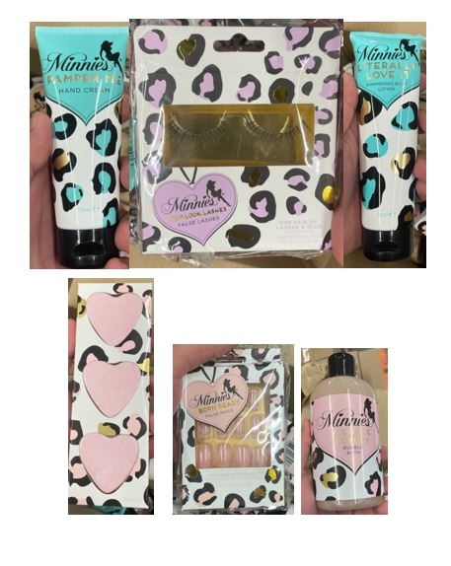
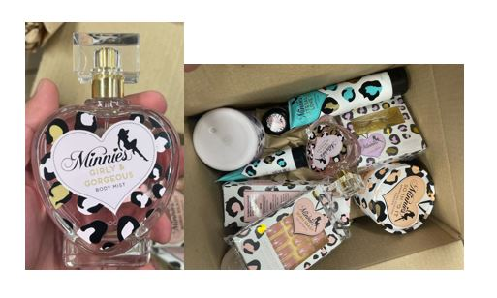
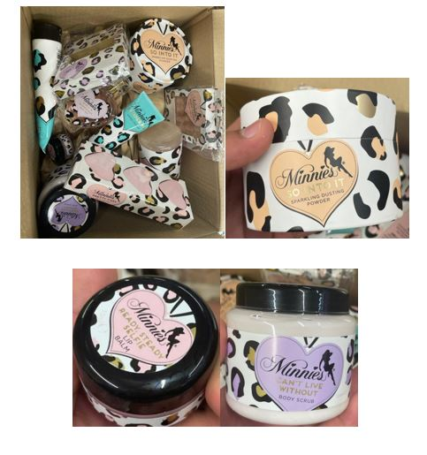
 |  | Qty | RRP | Line RRP
5060337903332 | MINNIES;BORN READY FALSE NAILS | 20,844 | £7.95 | £165,709.80
5060337903417 | MINNIES;STOP LOOK FALSE LASHES | 12,083 | £7.95 | £96,059.85
5060337903233 | MINNIES;SO INTO IT SPARKLNG DUSTING PWDR 75G | 7,872 | £7.95 | £62,582.40
5060337903318 | MINNIES;CANT LIVE WOUT BDY SCRUB 300ML | 9,846 | £7.95 | £78,275.70
5060337903219 | MINNIES;LITTERALLY LOVE IT SHIM BDY LOTION 150 ML | 9,660 | £7.95 | £76,797.00
5060337903271 | MINNIES;STEADY SELFIE LIP BALM 15ML | 10,946 | £7.95 | £87,020.70
5060337903172 | MINNIES;GIRLY &GORGEOUS BDY MIST 100ML | 5,760 | £10.99 | £63,302.40
5060337903196 | MINNIES;A LITTLE LUX BUBBLE BATH 400 ML | 6,456 | £7.95 | £51,325.20
5060337903257 | MINNIES;PRETTY FIZZY BATH BOMBS 3 X 25G | 8,940 | £7.95 | £71,073.00
 | MINNIES;BATH LILY | 8,895 | £7.95 | £70,715.25
5060337903295 | MINNIES;PAMPER ME HAND CREAM 75ML | 3,714 | £7.95 | £29,526.30
5060337904070 | MINNIES;GLITTER KITS | 453 | £8.95 | £4,054.35
 |  | 105,469 |  | £856,441.95

